Grocery List
Grocery List |  |  |  |  | 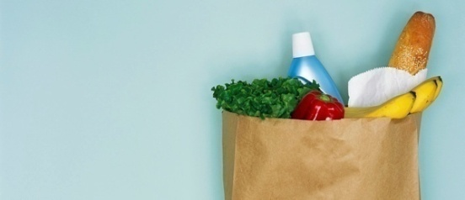
DATE
Done? | Item | Category | Quantity | Price | Extended Price | Brand/Comments
Yes | Oranges | Produce | 0 | ₹ 0.00 | ₹ 0.00
Yes | Apples | Produce | 0 | ₹ 0.00 | ₹ 0.00
Yes | Bananas | Produce | 0 | ₹ 0.00 | ₹ 0.00
Yes | Lettuce | Produce | 0 | ₹ 0.00 | ₹ 0.00
Yes | Tomatoes | Produce | 0 | ₹ 0.00 | ₹ 0.00
Yes | Milk | Dairy | 0 | ₹ 0.00 | ₹ 0.00
Yes | Cheese | Dairy | 0 | ₹ 0.00 | ₹ 0.00
Yes | Eggs | Dairy | 0 | ₹ 0.00 | ₹ 0.00
Yes | Cottage cheese | Dairy | 0 | ₹ 0.00 | ₹ 0.00
Yes | Beef | Meat | 0 | ₹ 0.00 | ₹ 0.00
Yes | Poultry | Meat | 0 | ₹ 0.00 | ₹ 0.00
Yes | Ham | Meat | 0 | ₹ 0.00 | ₹ 0.00
Yes | Juice | Drinks | 0 | ₹ 0.00 | ₹ 0.00
Yes | Coffee | Drinks | 0 | ₹ 0.00 | ₹ 0.00
Yes | Tea | Drinks | 0 | ₹ 0.00 | ₹ 0.00
Yes | Water | Drinks | 0 | ₹ 0.00 | ₹ 0.00
Yes | Noodles | Pasta | 0 | ₹ 0.00 | ₹ 0.00
Yes | Rice | Pasta | 0 | ₹ 0.00 | ₹ 0.00
Yes | Canned | Soup | 0 | ₹ 0.00 | ₹ 0.00
Yes | Dry mix | Soup | 0 | ₹ 0.00 | ₹ 0.00
Yes | Bread | Bakery | 0 | ₹ 0.00 | ₹ 0.00
Yes | Potato chips | Snacks | 0 | ₹ 0.00 | ₹ 0.00
Yes | Pretzels | Snacks | 0 | ₹ 0.00 | ₹ 0.00
Yes | Ice cream | Snacks | 0 | ₹ 0.00 | ₹ 0.00
Yes | Cookies | Snacks | 0 | ₹ 0.00 | ₹ 0.00
Yes | Paper plates | Supplies | 0 | ₹ 0.00 | ₹ 0.00
Yes | Napkins | Supplies | 0 | ₹ 0.00 | ₹ 0.00
Total |  |  |  | ₹ 0.00 | $0.00

You Have to Pay Total: | ₹ 0.00

